Helo
Total Surviving Aircraft
0 | 0
1 | 0.0002
2 | 0.0041
3 | 0.0215
4 | 0.0858
5 | 0.208
6 | 0.3182
7 | 0.2629
8 | 0.0993
9 | 0
10 | 0
11 | 0
12 | 0
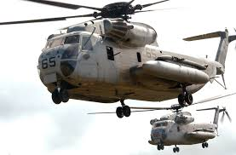
Reliability | 75% |  | Specify Trial (1 to 10,000) ==> |  |  | 1 | 11
1 = survival |  |  |  |  |  |  | D4:D11
Helo1
Helo2
Helo3
Helo4
Helo5
Helo6
Helo7
Helo8
Helo9
Helo10
Helo11
Helo12

Total Surviving | 6 | Survives | Fails

Number Starting | 8 | (1 to 12)
Chance of | 6 | or more surviving |  | 68%

© Copyright Sam L. Savage, 2015 |  |  |  |  | Model Created with the free SIPmath™ Modeler Tools
 |  |  |  |  | from www.ProbabilityManagement.org

